Mockup_Amazon_Product
16.Page_Title
12.Unique_Product_Identifier_Mainproduct
9.Product_URL

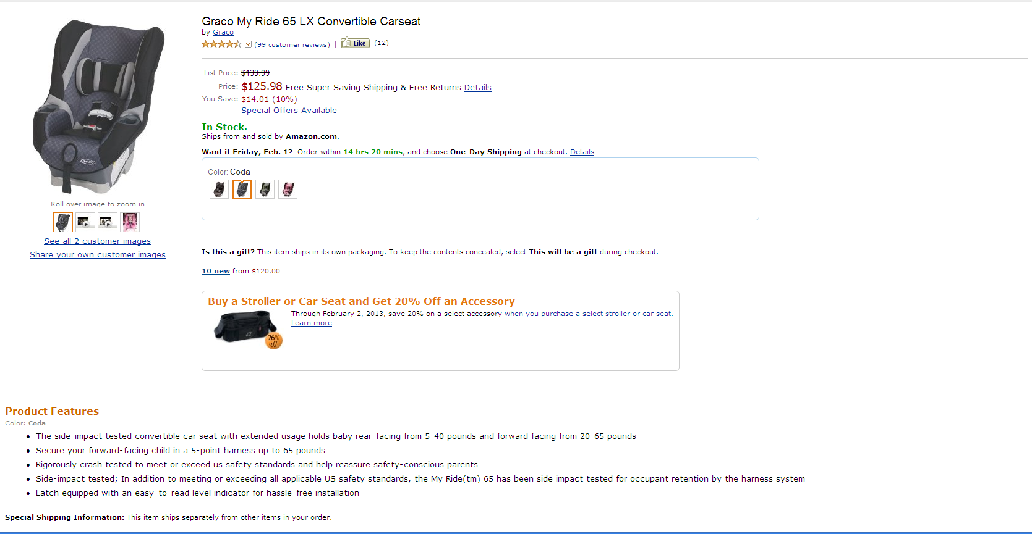
11.Product_Name
51.Site_Likes
55.List_Price
14.Final_Price_after_Discount
57.Discount _pct
56.Discount
58.Availability
27.Color
25.Product_Images
10.Brand
26.View_and_share_related_images_(widget)
24.Product_Features

59.Buyboxwinner
60.Top_3_sellers

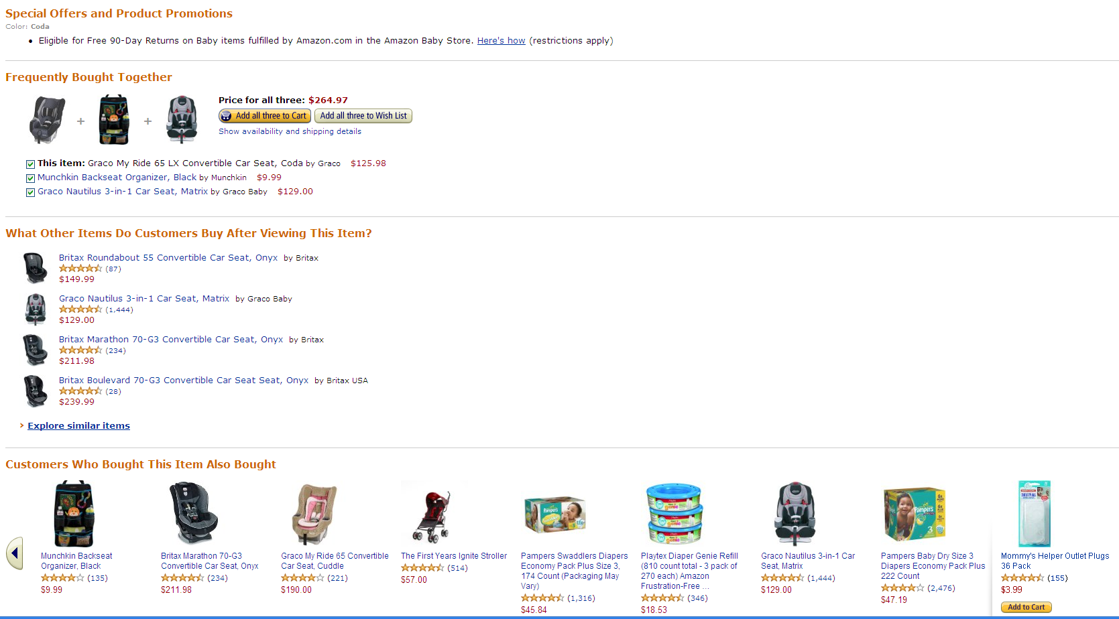
67.Special_Offers_and_Product_Promotions

68.Frequently_Bought_Together:Data

32.Product_Specification

35.Product_Details
65. Product_Dimensions

66.Shipping_weight

13.Unique_Product_Identifier_Variant

64.UPC

72.Best_seller_ranking_on_retailer_website

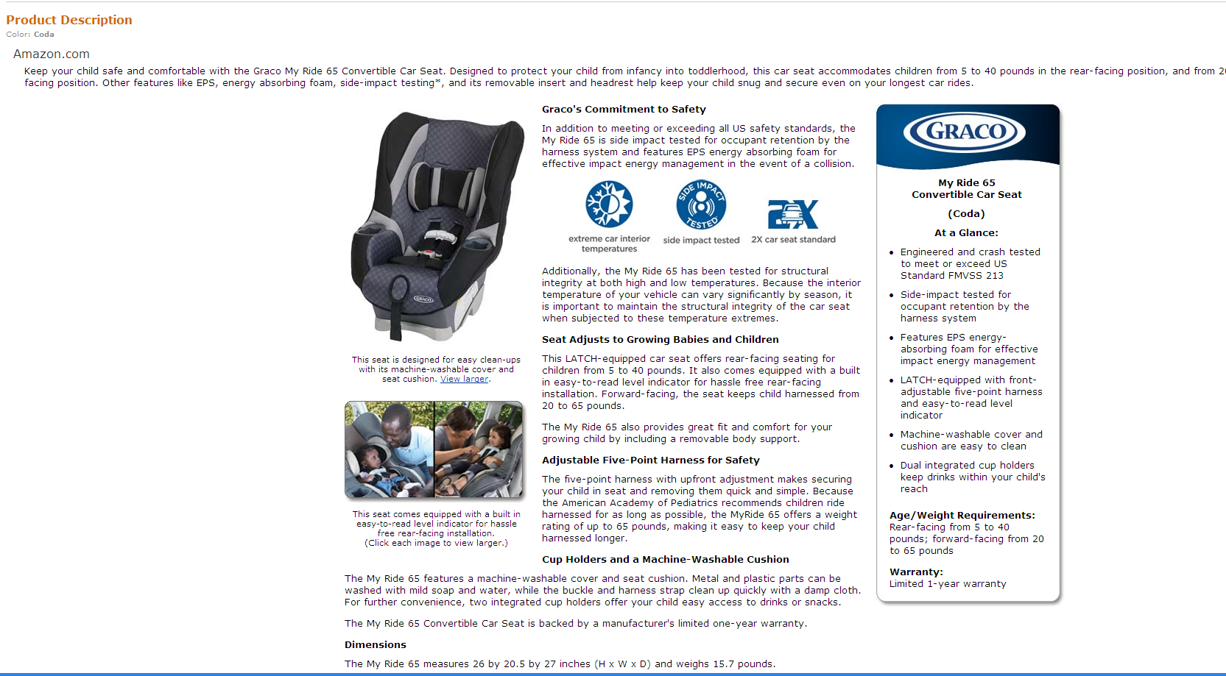
20.Product_Description:Main_Copy

21.Product_Description:Image_Link
22.Product_Description:Feature_Box

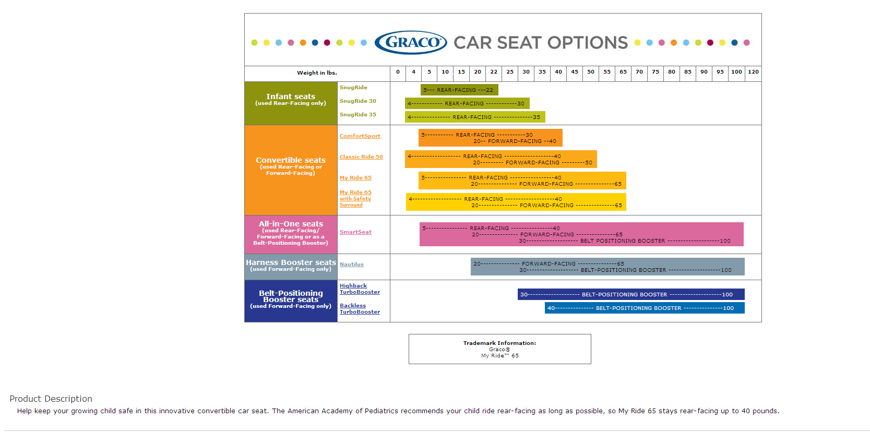

23.Product_Description:Fact_Tables

20.Product_Description:Main_Copy

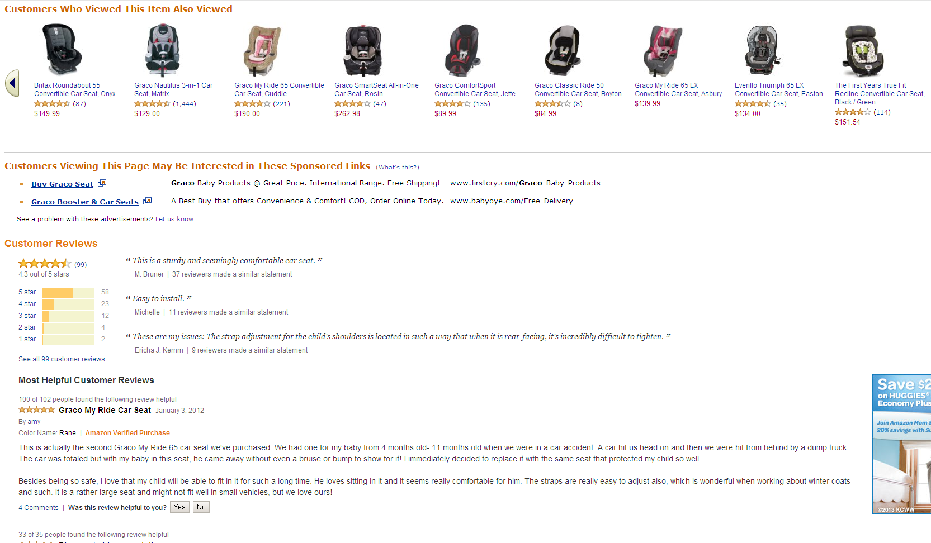

38.Reviews_(Count)

39.Total_Average_Ratings

44.5_Rating
43.4_Rating
42.3_Rating
41.2_Rating
40.1_Rating

Mockup_Amazon_Review
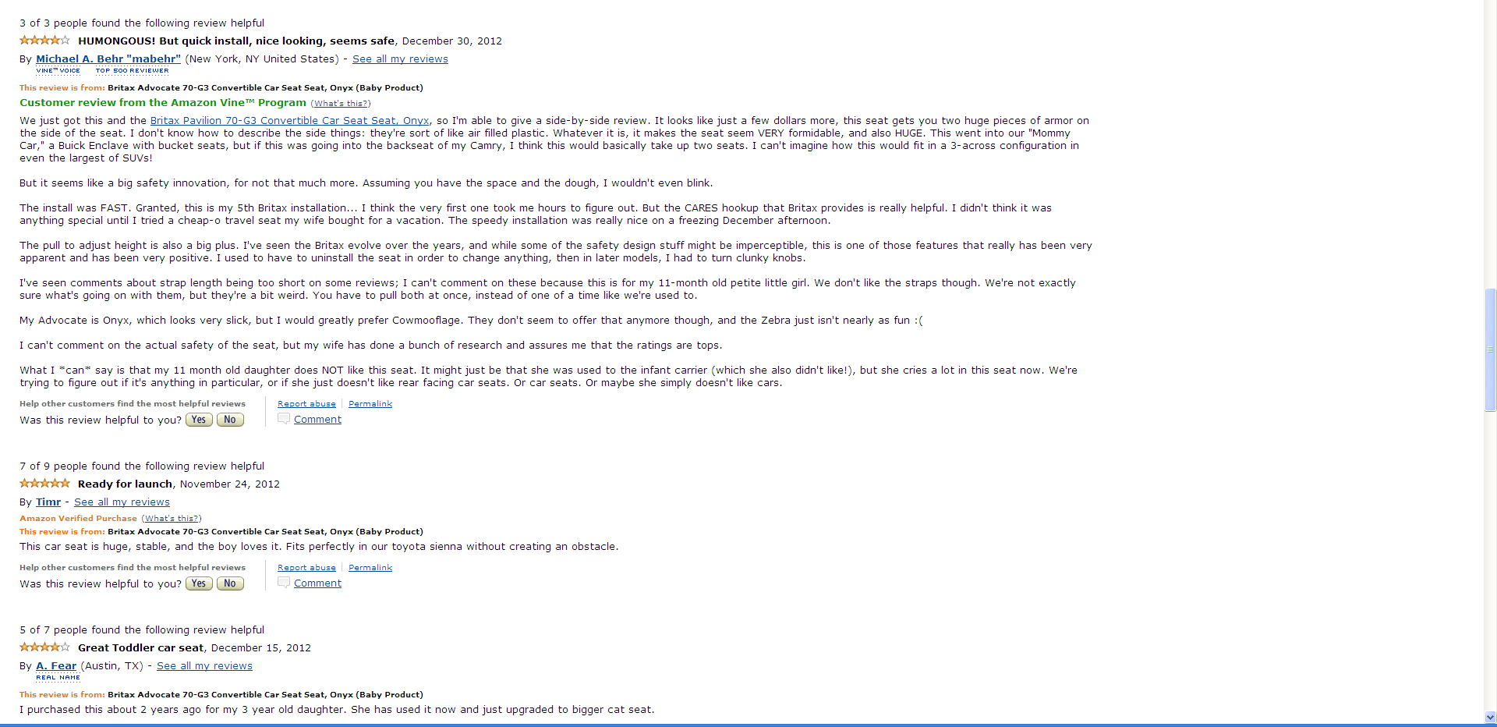
23.Review:Rating_Score
17.Review:Header
18.Review:Creation_Date

20.Review:By
25.Review:Reviewers_Badges
19.Review:From
26.Review:Text

27.Review:Count_Of_Comments

21.Review:Helpful_Votes
22.Review:Total_Votes

28.Review:Verified_Purchase

